P900 (Current Sonar)
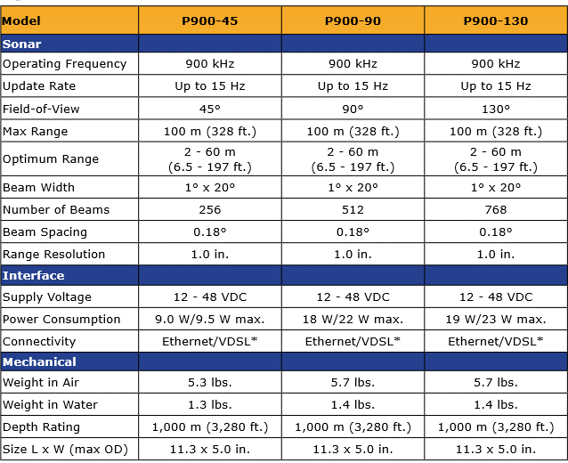
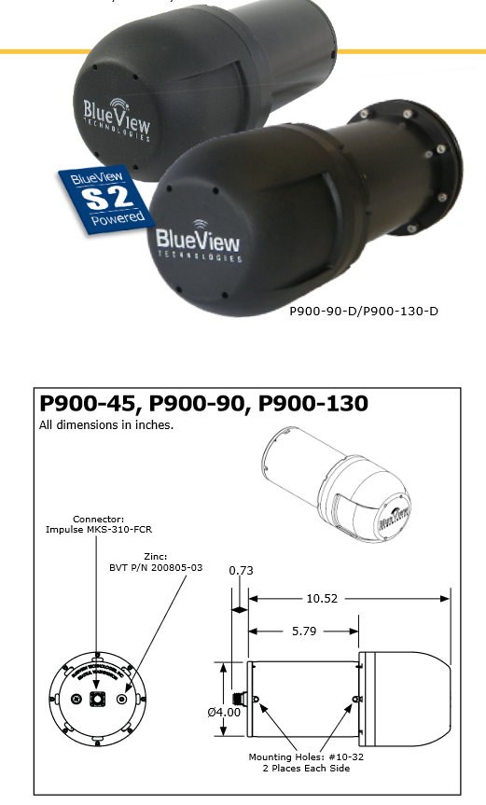
PRICE:18,500$

M450 Mk2
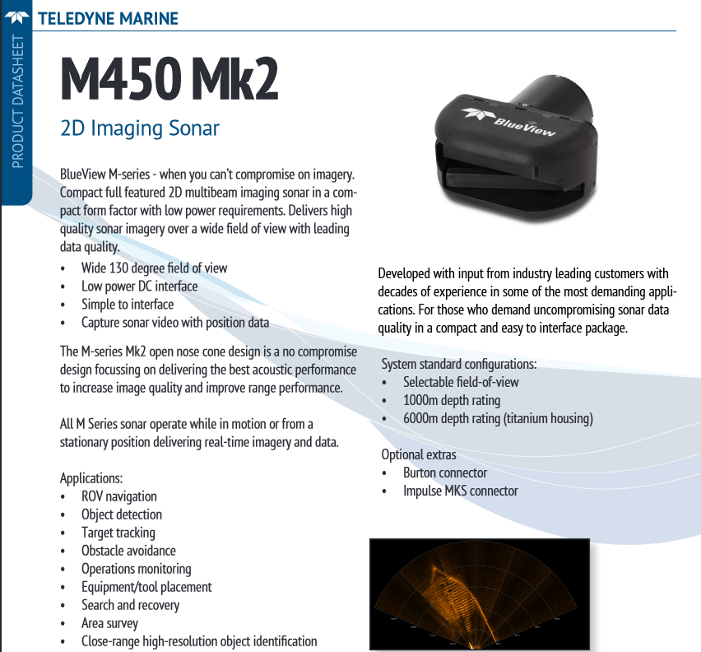
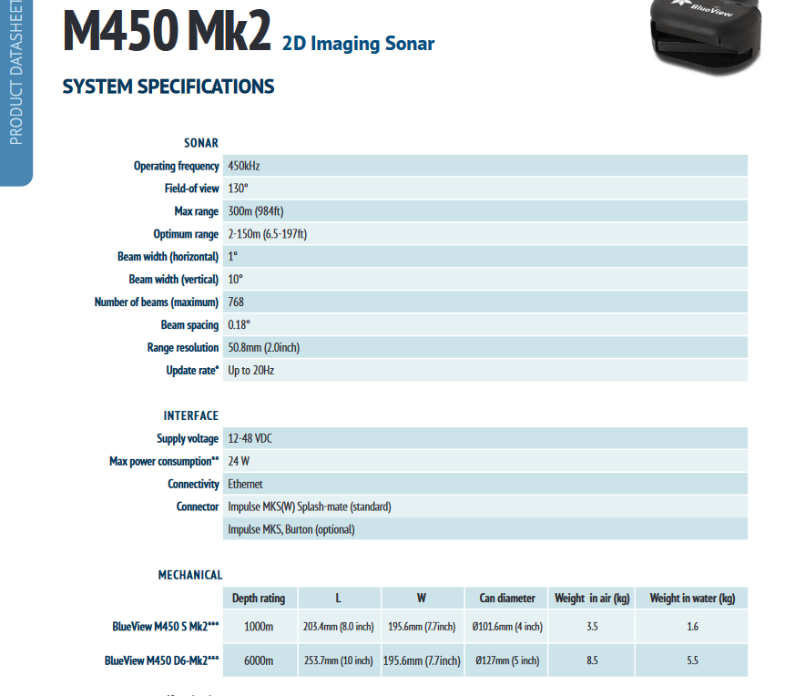
http://www.teledynemarine.com/BlueView-M450-Mk2/?BrandID=3 | PRICE:22,500$

M900 Mk2
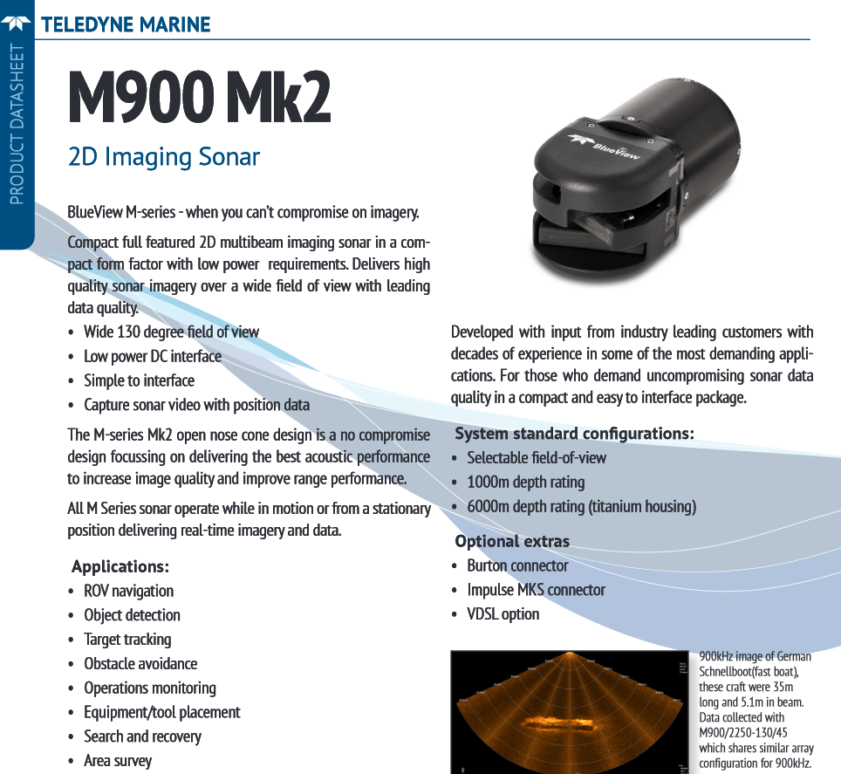
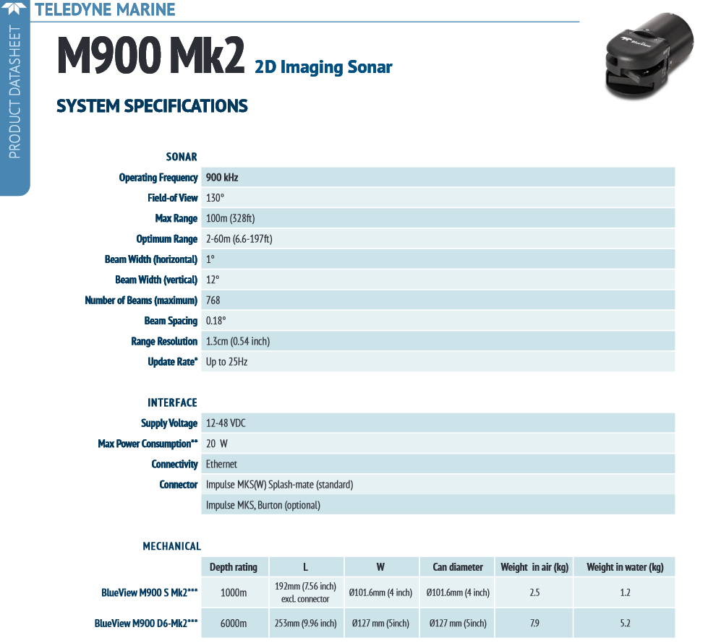
http://www.teledynemarine.com/M900-Mk2/?BrandID=3 | PRICE:22,500$

M900-2250-S 130_45-Mk2
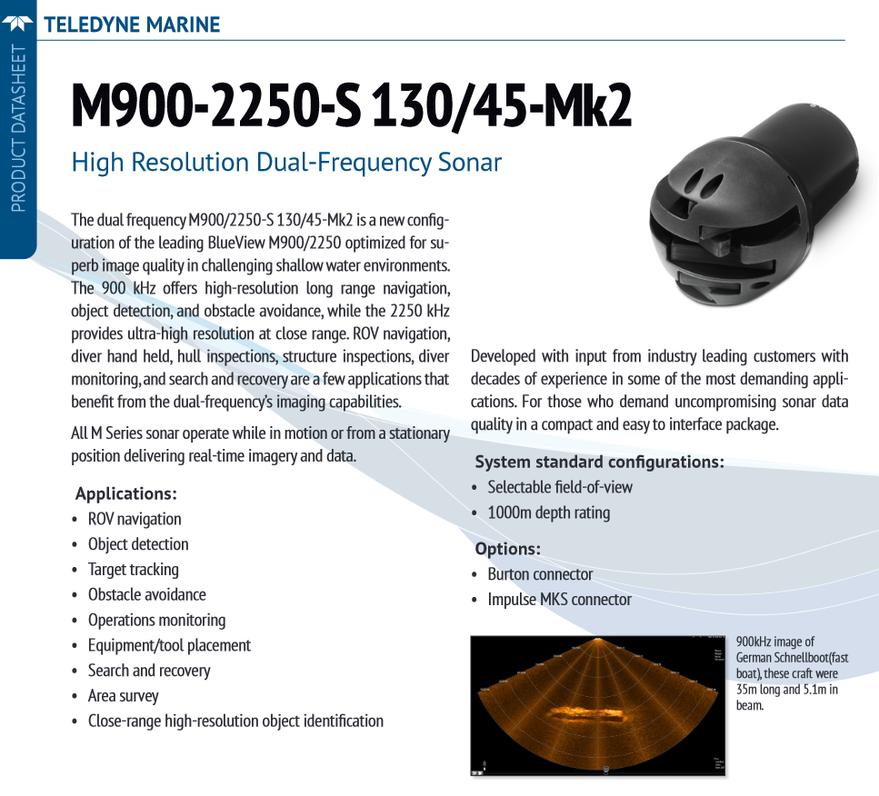
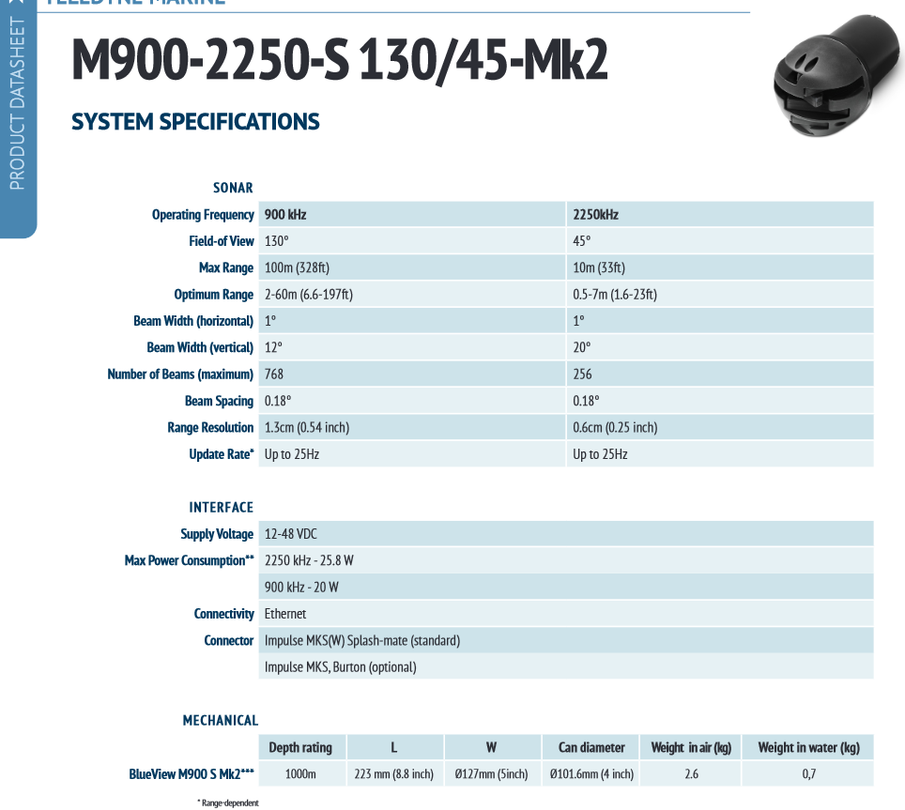
http://www.teledynemarine.com/M900-2250-S_130-45-Mk2
 | PRICE:$43,500

ISS360
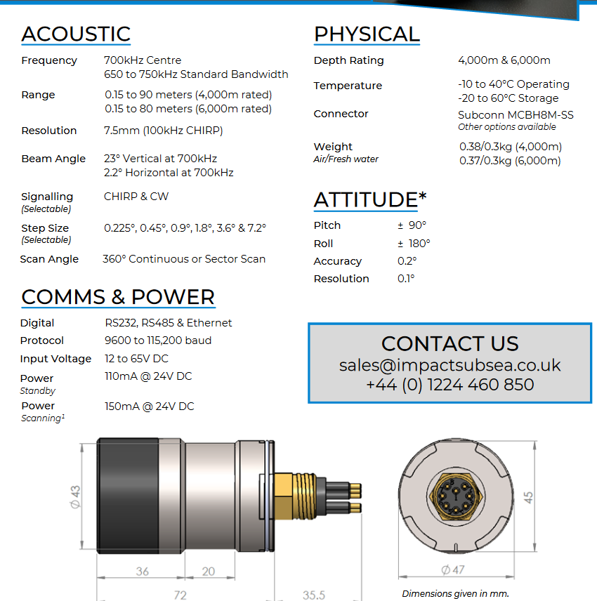
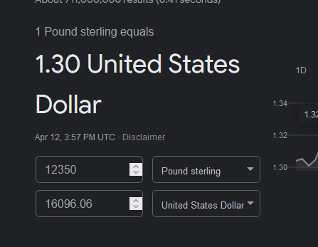
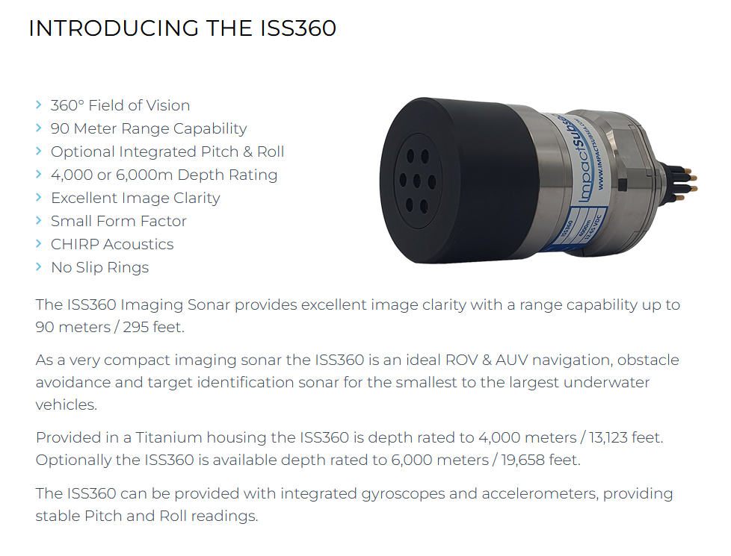
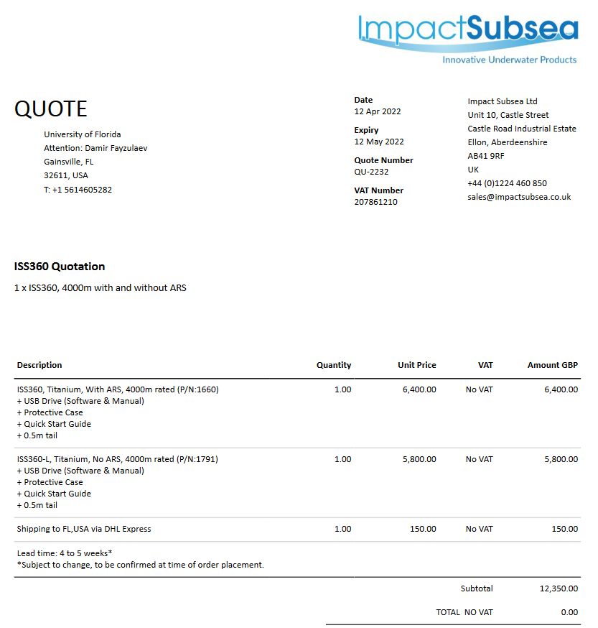
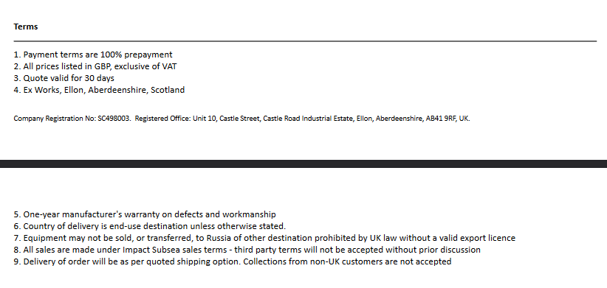
https://www.impactsubsea.co.uk/iss360-imaging-sonar/ | PRICE:16,096$

DASS710
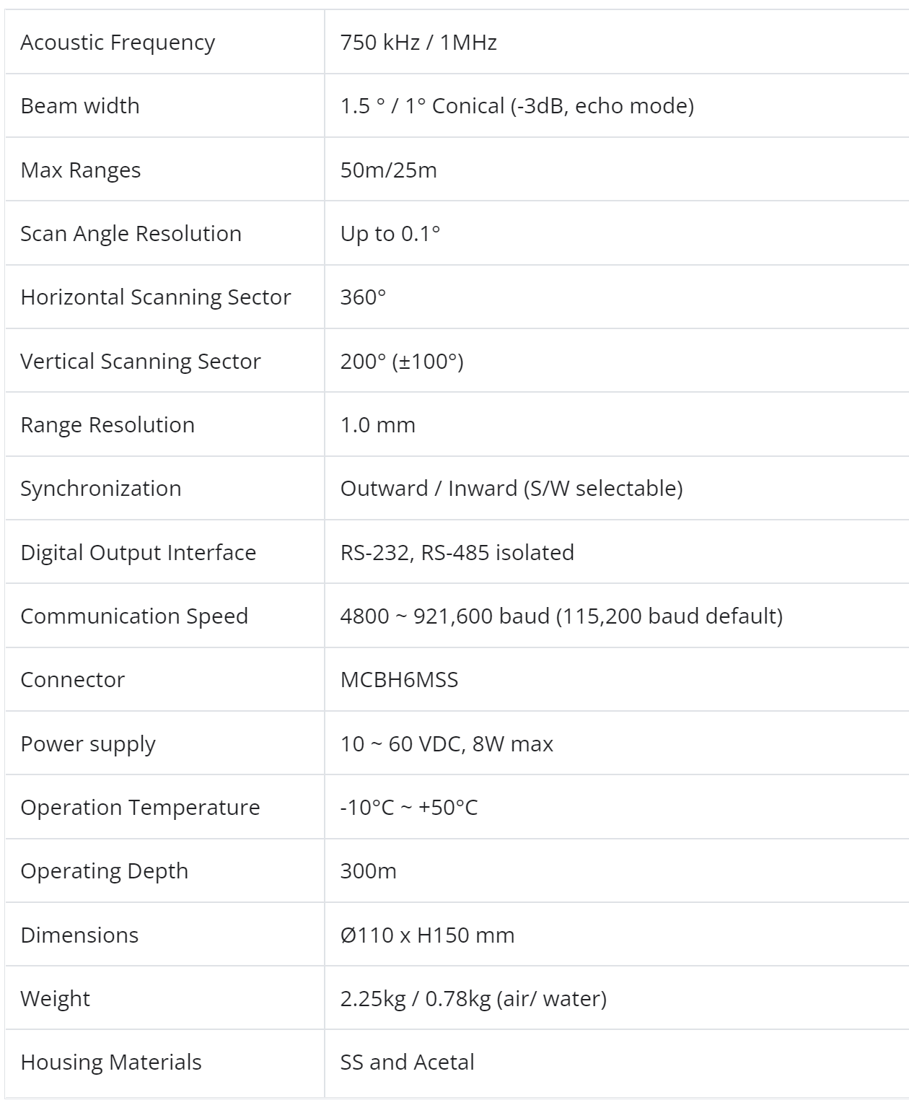
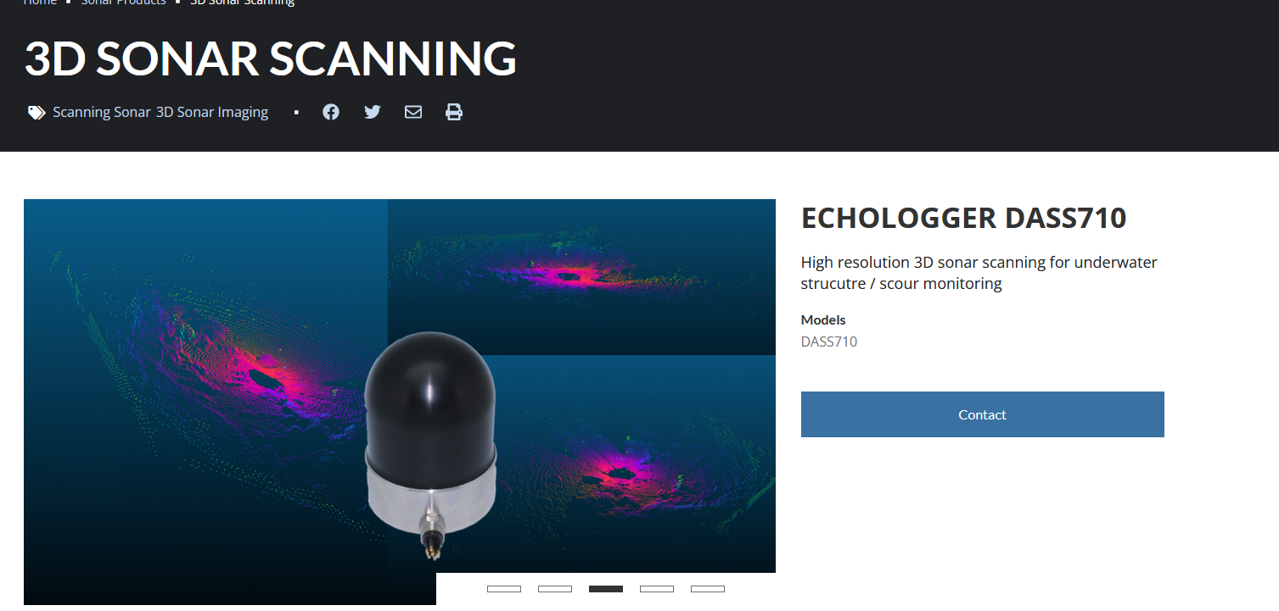

https://www.echologger.com/products/3d-scanning-sonar | PRICE:28,500$

Gemini 720i
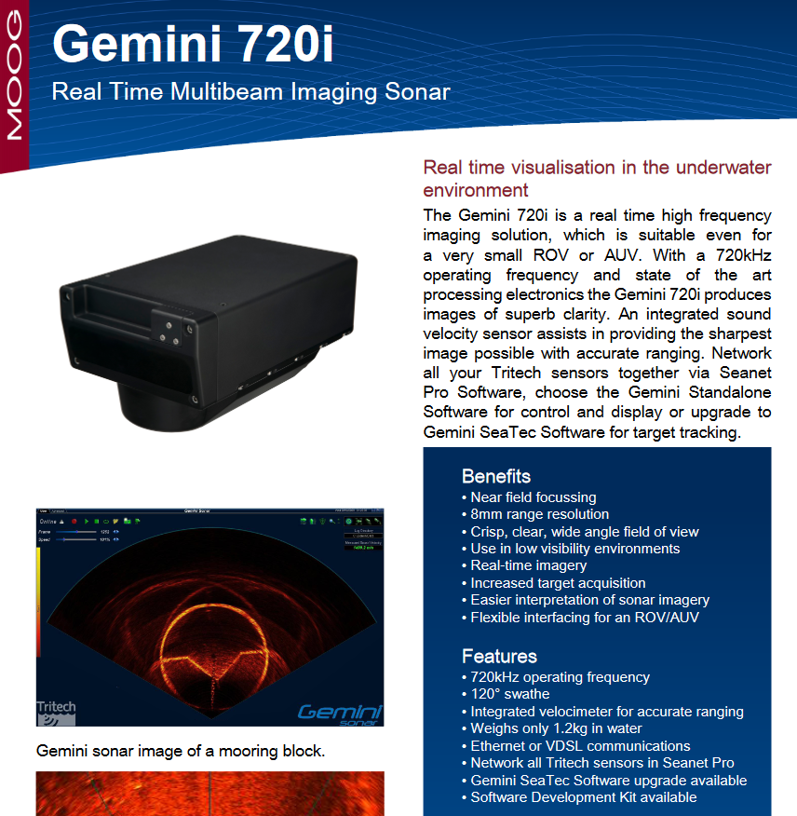
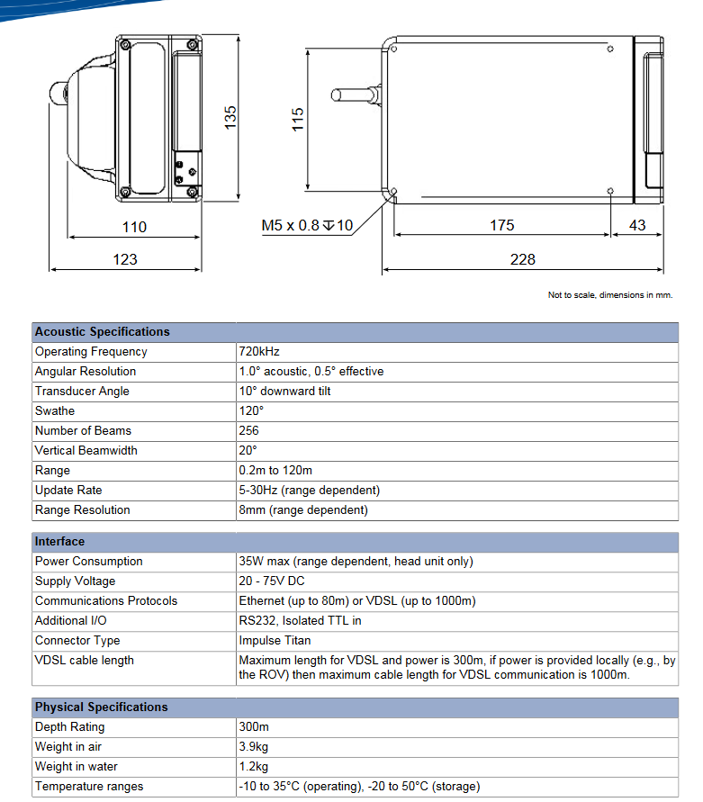
https://www.uniquegroup.com/item/990/Tritech-Gemini-720i.html
https://www.subseatechnologies.com/media/files/files/c797c66e/gemini-720i-300m-multibeam-imaging-sonar_STI.pdf | PRICE:$

Scan-650A
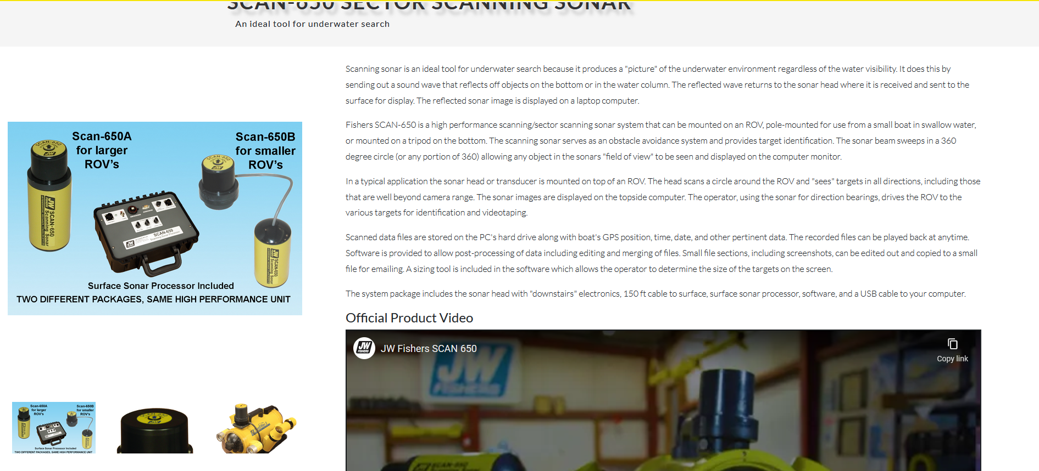
http://www.jwfishers.com/products/scan650.html | PRICE:$

